Sheet1
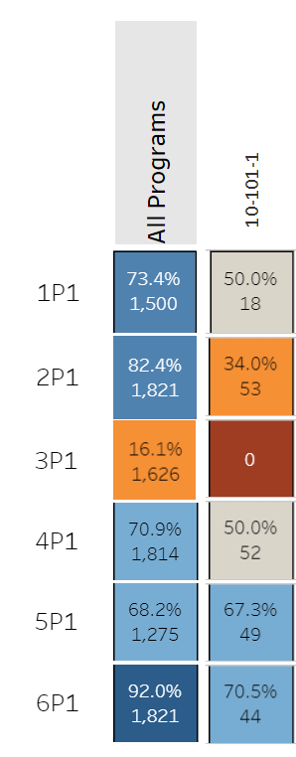
Navigate to the Program Assessment Page in the Perkins V Dashboard for the data to complete the Outcome Summary Table.
Once you've filtered the data to view the programs your college will target for this grant, provide the following information. |  |  | This number is the 2P1 denominator. | This number is the denominator for the indicator of interest. | See the Dashboard Information Page for identifying the most recent complete cohort for each indicator. | This column will calculate the current number of successful students for this indicator. Column E x F | Input the number of additional students for this indicator. | This column will calculate the new percentage based on the additional number of students you want to be successful. (Column G + H)/Column E | The example data in this template is based off of the following Perkins Data for the Accounting Program:
Program Name | Program Number | Perkins indicator to improve | Total number of students in the most recent complete cohort | Number of students included in this indicator (denominator) | Indicator value for most recent complete cohort | Number of successful students for this indicator | Additional number of students meeting measure. | Grant goal for the indicator level
Accounting | 10-101-1 | 2P1 | 53 | 53 | 34% | 18 | 5 | 43%
Accounting | 10-101-1 | 4P1 | 53 | 52 | 50% | 26 | 7 | 63%
Accounting | 10-101-1 | 5P1 | 53 | 49 | 67% | 33 | 7 | 81%
 |  |  |  |  |  | 0 |  | #DIV/0!
 |  |  |  |  |  | 0 |  | #DIV/0!
 |  |  |  |  |  | 0 |  | #DIV/0!
 |  |  |  |  |  | 0 |  | #DIV/0!
 |  |  |  |  |  | 0 |  | #DIV/0!
 |  |  |  |  |  | 0 |  | #DIV/0!
 |  |  |  |  |  | 0 |  | #DIV/0!
 |  |  |  |  |  | 0 |  | #DIV/0!
 |  |  |  |  |  | 0 |  | #DIV/0!
 |  |  |  |  |  | 0 |  | #DIV/0!
 |  |  |  |  |  | 0 |  | #DIV/0!
 |  |  |  |  |  | 0 |  | #DIV/0!
 |  |  |  |  |  | 0 |  | #DIV/0!

